MedicalClaims
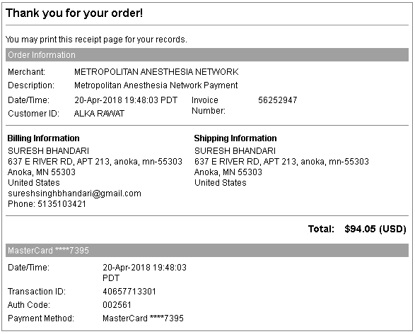
Processed By |  | Date | Member | Provider | Bill Amount | Plan Paid | Your Responsibility | Paid | Paid Amount | Website Where Paid | Any details
Aetna |  | 2018-01-16 | ALKA (Wife) | MALINDA JOHNSON | 43 | 6.51 | 25
Aetna |  | 2018-01-16 | ALKA (Wife) | ABBOTT NORTHWESTERN HOSPITAL(HOSP) | 447.2 | 354.97 | 16.2 | Paid | 23.24 | Paid at atena website | Allina Bill came of amount 23.24 Customer Receipt Number: 73083097 Merchant ID: AETNA2017 Transaction ID: BP1TF4E6D426 Auth Code: 698287
Aetna |  | 2018-02-01 | ALKA (Wife) | MALINDA JOHNSON | 696 | 281 | 25 | Paid | 25 | Paid at MYChart | Transaction Date: March 6, 2018 Response Message: APPROVAL Card Holder Name: Suresh Bhandari Card Number: ************7395 Auth Amount: $25.00 Auth Code: 033107
Aetna |  | 2018-02-16 | ALKA (Wife) | NANCY DICKERSON | 381 | 356 | 25 | Paid | 36.8 | Paid at MYChart | Transaction Date: March 19, 2018 Response Message: APPROVAL Card Holder Name: Suresh Bhandari Card Number: ************7395 Auth Amount: $36.80 Auth Code: 055945
Aetna |  | 2018-02-16 | ALKA (Wife) | MALINDA JOHNSON | 17 | 0 | 11.8
Aetna |  | 2018-02-23 | ALKA (Wife) | MALINDA JOHNSON | 746 | 648.61 | 0 | --- | --- | --- | CoPay paid at office 2/26/2018 #031 ALLINA HEALTH C_8062 $25 XXXXXXXXXXXX0704
Aetna | EPFB4K69S | 2018-03-19 | ALKA (Wife) | NANCY DICKERSON | 50 | 13.73 | 25 | Paid | 25 | Paid at atena website | Date - 4/25/2018 Customer Receipt Number: 73138564 Merchant ID: AETNA2017 Transaction ID: BL1TF83393A6 Auth Code: 505322
Aetna | EPAB4K4F8 | 2018-03-19 | ALKA (Wife) | MALINDA JOHNSON | 13 | 0 | 9.95 | Paid | 9.95 | Paid at atena website | Customer Receipt Number: 73138540 Merchant ID: AETNA2017 Transaction ID: BQ1TF699C6EA Auth Code: 210001
Aetna | ERWY34GFY | 2018-03-24 | ALKA (Wife) | ALLINA HEALTH EMERGENCY MEDICAL | 2286.46 | 1351.89 | 934.57 | Paid | 934.57 | Paid at atena website | Customer Receipt Number: 73138582 Merchant ID: AETNA2017 Transaction ID: BL1TF83397BF Auth Code: 904452
Aetna | EC3534F7T | 2018-03-24 | ALKA (Wife) | MERCY HOSPITAL | 2376.15 | 1570.79 | 327.21 | Paid | 327.21 | Paid at atena website | Customer Receipt Number: 73254227 Merchant ID: AETNA2017 Transaction ID: BQ1TF6B624B9 Auth Code: 192072
Aetna | EYY0231MV | 2018-03-24 | ALKA (Wife) | DAVID ASINGER | 102 | 60.88 | 10.74 | Paid | 10.74 | Paid at atena website | Customer Receipt Number: 73254170 Merchant ID: AETNA2017 Transaction ID: BQ1TF6B6190A Auth Code: 884024
Aetna |  | 2018-03-24 | ALKA (Wife) | PATRICIA HARPER | 267 | 237.66 | 0
Aetna | E8Y02922J | 2018-03-24 | ALKA (Wife) | AMIN YOUSUF | 557 | 426.1 | 75.2 | Paid | 75.2 | Paid at atena website | Customer Receipt Number: 73138593 Merchant ID: AETNA2017 Transaction ID: BA1T1C254018 Auth Code: 279968
Aetna |  | 2018-03-25 | ALKA (Wife) | MERCY HOSPITAL | 23386.66 | In Progress | 498.4
Aetna |  | 2018-03-27 | ALKA (Wife) | JOHN WUST | 104 | 0 | 104 | Paid | 104 | https://allinahealth.mysecurebill.com/ | Account Number: 103391251 Confirmation Number: 110690182411 Payment Amount: $104.00 Payment Date: 4/20/2018
 |  |  |  |  |  |  |  |  | 104 | One more time paid @ allina mychart | Transaction Date: April 11, 2018 Response Message: APPROVAL Card Type: MC Card Holder Name: Suresh Bhandari Card Number: ************7395 Auth Amount: $104.00 Auth Code: 052528
Aetna |  | 2018-03-28 | ALKA (Wife) | JAMES LYNCH | 785.84 | 584.47 | 103.14 | Paid | 103.14 | Paid at atena website | Customer Receipt Number:73083030 Merchant ID:AETNA2017 Transaction ID:BQ1TF687EE13 Auth Code:483570
Aetna |  | 2018-03-28 | ALKA (Wife) | ERIN PAWLASKI | 716.54 | 532.93 | 94.05 | Paid | 94.05 | http://healthbilling.net/ | Screenshot

 |  |  |  |  |  |  | 2285.26 |  | 1872.9

 |  |  |  |  |  |  | reset | 491.36

 |  |  |  | Customer Receipt Number: 74180183 Merchant ID: AETNA2017 Transaction ID: BE1T0D130200 Auth Code: 885053 Account# Sub Account# Account Name Payment Amount Trans Type EP20249599760 EP20249599760 ALKA RAWAT $11.80 Sale Total Payment Amount: $11.80 Payment Information Date of Payment: 6/5/2018 22:56:25 GMT-0400 (Eastern Daylight Time) Payment Type: MasterCard Credit Card Number: ************7395 Thank you for your payment Please save this receipt for your records.

Sheet3
Suresh Bhandari 5th Feb |  |  |  | 8000.00 Due for Suresh by 5 Jan |  | Borrower
12% Annual Return (Monthly Interest)
Date | Principal | Interest(1%) | Due Date | Pay Date
5-Feb-17 | 200000 | 2000 | 5-Mar-17 | 8-Feb-17
5-Mar-17 | 281000 | 2810 | 5-Apr-17 | 24-Apr-17
5-Apr-17 | 281000 | 2810 | 5-May-17 | 24-Apr-17
5-May-17 | 281000 | 2810 | 5-Jun-17 | 14-Jun-17
5-Jun-17 | 281000 | 2810 | 5-Jul-17 |  | 13515.45
5-Jul-17 | 281000 | 2810 | 5-Aug-17 |  | 16325.45
1-Aug-17 | 581000 | 5810 | 5-Sep-17 | 31-Aug-17 | 3135.45
1-Sep-17 | 600000 | 6000 | 5-Oct-17 |  | 135.45
1-Oct-17 | 750000 | 7500 | 5-Nov-17 |  | 7735.45
1-Nov-17 | 900000 | 9000 | 5-Dec-17 | 23-Dec-17 | 16952.45
5-Dec-17 | 900000 | 9000 | 5-Jan-17 | 8-Jan-17 | 25952.45
5-Jan-17 | 900000 | 9000 | 5-Feb-17 |  | 9000
5-Feb-17 | 900000 | 9000 | 5-Mar-17 |  | 9000
5-Mar-17 | 900000 | 9000 | 5-Apr-17 |  | 9000
5-Apr-17 | 900000 | 9000 | 5-May-17 |  | 9000
5-May-17 | 900000 | 9000 | 5-Jun-17 |  | 7500 |  | Pad 1.5 Lakh (Transfer by Vijay)
5-Jun-17 | 550000 | 5500 | 5-Jul-17 |  | 5500 |  | Paid 2 Lakh on 5th Jun
5-Jul-17 | 550000 | 5500 | 5-Aug-17 |  | 5500 |  |  | -76107 | Bakaya
5-Aug-17 | 550000 | 5500 | 5-Sep-17 |  | 5500 |  |  | 51000 | Till Sep 5
5-Sep-17 | 250000 | 2500 | 5-Oct-17 | 7-Oct-17 | 5500 | 80393 | -19607 2 Lakh Return Online(Pachuri+Askhok) | 5500 | 2017-10-05
 |  |  |  |  |  |  |  | -19607

Clear Till 5Oct
Principal Ampunt: 2 L 50 K
Borrow: Rs 80393 + 1Lakh from Pachuri |  |  |  | abhi Pachuri wala 1 Lakh aana hain
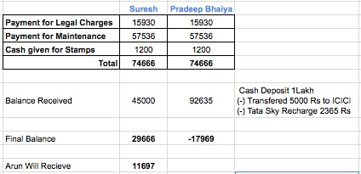

Final Flat Payment Via Pachuri

17969 aa gaya

